Overview_Dowload_and_Stata_Name
Budget Data
BUD1 | https://www.statbank.dk/BUD1 |  | "Original" Unit: 1000 DK, by Region | BUD32(X) | https://www.statbank.dk/BUD32 | We further checked for function 2.42 & 2.43; they have no entries (for any Dranst) "Original" Unit 1000 DK, by Region
Dranst | Kind | Function/Type | Corresponding Name in Data Set | Dranst | Kind | Function | Translation of Function | Corresponding Name in Data Set
Current expenditure | Total (Expenditure-Revenue) | Total | Bdgt_Total_T | 1 - Operating Accounts/Current expenditure | Revenue, total | 2.09 | 2.09 Other Common Functions, Roads | Bdgt_209_Rev
Current expenditure | Total (Expenditure-Revenue) | Admin | Bdgt_Admin_T | 1 - Operating Accounts/Current expenditure | Revenue, total | 2.11 | 2.11 Road maintenance, etc. (Come roads) | Bdgt_211_Rev
Current expenditure | Total (Expenditure-Revenue) | Education | Bdgt_Edu_T | 3 - Capital Expenditure | Revenue, total | 2.22 | 2.22 Road facility (municipal roads) | Bdgt_222_Rev
Current expenditure | Total (Expenditure-Revenue) | Traffic | Bdgt_Traffic_T | 7 - Financing | Revenue, total | 8.90 | 8.90 Municipal / county municipal income tax | Bdgt_890_Rev
Current expenditure | Total (Expenditure-Revenue) | Housing Amn | Bdgt_HousingAmenities_T | 7 - Financing | Revenue, total | 8.92 | 8.92 corporate tax | Bdgt_892_Rev
Current expenditure | Total (Expenditure-Revenue) | Public ut. | Bdgt_Public_Ut_T | 7 - Financing | Revenue, total | 8.93 | 8.93 Other tax imposed on certain municipalities | Bdgt_893_Rev
Current expenditure | Revenue, total | Total | Bdgt_Total_Re | 7 - Financing | Revenue, total | 8.95 | 8.95 Other tax on real estate | Bdgt_895_Rev
Current expenditure | Revenue, total | Admin | Bdgt_Admin_Re | 7 - Financing | Revenue, total | 8.96 | 8.96 Other taxes and fees | Bdgt_896_Rev
Current expenditure | Revenue, total | Education | Bdgt_Edu_Re | 1 - Operating Accounts | Expenditure, total | 2.09 | 2.09 Other Common Functions, Roads | Bdgt_209_Exp
Current expenditure | Revenue, total | Traffic | Bdgt_Traffic_Re | 1 - Operating Accounts | Expenditure, total | 2.11 | 2.11 Road maintenance, etc. (Come roads) | Bdgt_211_Exp
Current expenditure | Revenue, total | Housing Amn | Bdgt_HousingAmenities_Re | 3 - Capital Expenditure | Expenditure, total | 2.22 | 2.22 Road facility (municipal roads) | Bdgt_222_Exp
Current expenditure | Revenue, total | Public ut. | Bdgt_Public_Ut_Re | 7 - Financing | Expenditure, total | 8.90 | 8.90 Municipal / county municipal income tax | Bdgt_890_Exp
Current expenditure | Expenditure, total | Total | Bdgt_Total_Ex | 7 - Financing | Expenditure, total | 8.92 | 8.92 corporate tax | Bdgt_892_Exp
Current expenditure | Expenditure, total | Admin | Bdgt_Admin_Ex | 7 - Financing | Expenditure, total | 8.93 | 8.93 Other tax imposed on certain municipalities | Bdgt_893_Exp
Current expenditure | Expenditure, total | Education | Bdgt_Edu_Ex | 7 - Financing | Expenditure, total | 8.95 | 8.95 Other tax on real estate | Bdgt_895_Exp
Current expenditure | Expenditure, total | Traffic | Bdgt_Traffic_Ex | 7 - Financing | Expenditure, total | 8.96 | 8.96 Other taxes and fees | Bdgt_896_Exp
Current expenditure | Expenditure, total | Housing Amn | Bdgt_HousingAmenities_Ex
Current expenditure | Expenditure, total | Public ut. | Bdgt_Public_Ut_Ex

Income Data
IB811 | https://www.statbank.dk/IB811 |  | "Original" Unit: 1000 DK, by Region
Sex | Age | Type of Income | Corresponding Name in Data Set | Overview Income Structure
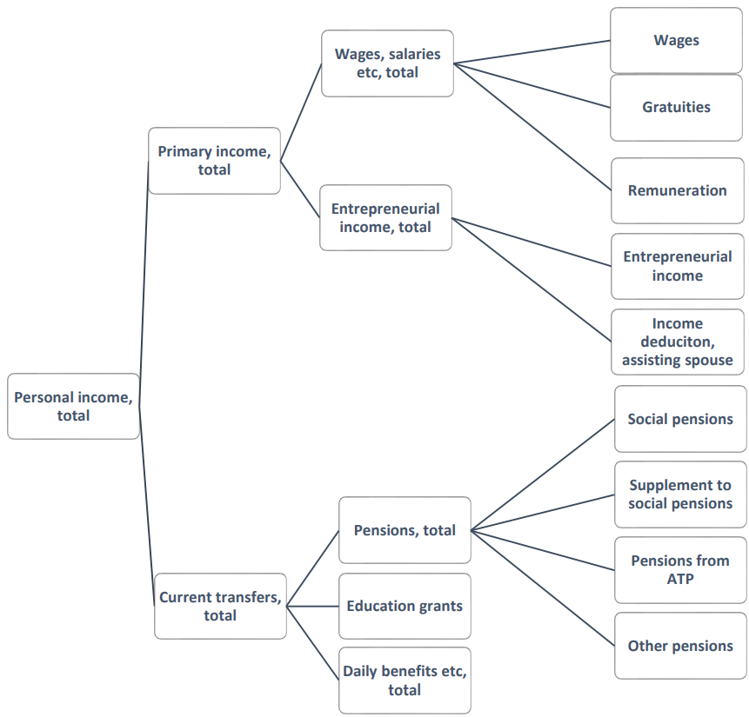
Both | Total | Wages | Inc_Wages
Both | Total | Gratuities | Inc_Gratuities
Both | Total | Remuneration | Inc_Remnrtn
Both | Total | Wages and salaries, etc., total | Inc_Wages_Tot
Both | Total | Entrepreneurial income | Inc_Entrepr
Both | Total | Income/deduction, assisting spouse | Inc_Dedctn
Both | Total | ENTREPRENEURIAL INCOME, TOTAL | Inc_Entrepr_Tot
Both | Total | PRIMARY INCOME, TOTAL | Inc_Prmry_Tot
Both | Total | Unemployment benefits and the like | Inc_UnemplymtnBnfts
Both | Total | Temporarely Leave benefits | Inc_TmprlyLeave
Both | Total | Cash benefits | Inc_CashBenefits
Both | Total | Other benefits | Inc_OtherBnfts
Both | Total | DAILY BENEFITS, ETC., TOTAL | Inc_DailyBnfts_Tot
Both | Total | Early retirement pay | Inc_EarlyRtrmntPay
Both | Total | Special early Retirement pay | Inc_EarlyRtrmnt
Both | Total | Social pensions | Inc_PnsnsSoc
Both | Total | Supplements to social pensions | Inc_Pnsn_Supplmtn
Both | Total | Pension from the ATP | Inc_Pnsns_ATP
Both | Total | Other pensions | Inc_PnsnsOther
Both | Total | Civil servant pension (2002-) | Inc_Pnsns_CivilServant
Both | Total | PENSIONS, ETC., TOTAL | Inc_Pnsns_Tot
Both | Total | Education grants | Inc_EduGrant
Both | Total | CURRENT TRANSFERS, TOTAL | Inc_CrrntTrnsfrs
Both | Total | PERSONAL INCOME, TOTAL | Inc_Pers_Tot

Employment Data
RASU2 | https://www.statbank.dk/RASU2 |  |  | "Original" Unit: Number, by Region |  | PEND11 | https://www.statbank.dk/PEND11 |  | "Original" Unit: Number, by Area of Workplace
Sex | Age | Education | Industry | Corresponding Name in Data Set |  | Sex | Age | Industry | Corresponding Name in Data Set
Both | Total | Total | 0109 Agriculture, horticulture and forestry | Emp_109 |  | Both | Total | 0109 Agriculture, horticulture and forestry | Emp_WP_109
Both | Total | Total | 0500 Fishing | Emp_500 |  | Both | Total | 0500 Fishing | Emp_WP_500
Both | Total | Total | 1009 Mining and quarrying | Emp_1009 |  | Both | Total | 1009 Mining and quarrying | Emp_WP_1009
Both | Total | Total | 1509 Mfr. of food, beverages and tobacco | Emp_1509 |  | Both | Total | 1509 Mfr. of food, beverages and tobacco | Emp_WP_1509
Both | Total | Total | 1709 Mfr. of textiles and leather | Emp_1709 |  | Both | Total | 1709 Mfr. of textiles and leather | Emp_WP_1709
Both | Total | Total | 2009 Mfr. of wood products, printing and publ. | Emp_2009 |  | Both | Total | 2009 Mfr. of wood products, printing and publ. | Emp_WP_2009
Both | Total | Total | 2309 Mfr. of chemicals and plastic products | Emp_2309 |  | Both | Total | 2309 Mfr. of chemicals and plastic products | Emp_WP_2309
Both | Total | Total | 2600 Mfr. of other non-metallic mineral products | Emp_2600 |  | Both | Total | 2600 Mfr. of other non-metallic mineral products | Emp_WP_2600
Both | Total | Total | 2709 Mfr. of basic metals and fabr. metal prod. | Emp_2709 |  | Both | Total | 2709 Mfr. of basic metals and fabr. metal prod. | Emp_WP_2709
Both | Total | Total | 3600 Mfr. of furniture; manufacturing n.e.c. | Emp_3600 |  | Both | Total | 3600 Mfr. of furniture; manufacturing n.e.c. | Emp_WP_3600
Both | Total | Total | 4009 Electricity, gas and water supply | Emp_4009 |  | Both | Total | 4009 Electricity, gas and water supply | Emp_WP_4009
Both | Total | Total | 4500 Construction | Emp_4500 |  | Both | Total | 4500 Construction | Emp_WP_4500
Both | Total | Total | 5000 Sale and repair of motor vehicles sale of auto. fuel | Emp_5000 |  | Both | Total | 5000 Sale and repair of motor vehicles sale of auto. fuel | Emp_WP_5000
Both | Total | Total | 5100 Wholesale except of motor vehicles | Emp_5100 |  | Both | Total | 5100 Wholesale except of motor vehicles | Emp_WP_5100
Both | Total | Total | 5200 Re. trade and repair work exc. of m. vehicles | Emp_5200 |  | Both | Total | 5200 Re. trade and repair work exc. of m. vehicles | Emp_WP_5200
Both | Total | Total | 5500 Hotels and restaurants | Emp_5500 |  | Both | Total | 5500 Hotels and restaurants | Emp_WP_5500
Both | Total | Total | 6009 Transport | Emp_6009 |  | Both | Total | 6009 Transport | Emp_WP_6009
Both | Total | Total | 6400 Post and telecommunications | Emp_6400 |  | Both | Total | 6400 Post and telecommunications | Emp_WP_6400
Both | Total | Total | 6509 Finance and insurance | Emp_6509 |  | Both | Total | 6509 Finance and insurance | Emp_WP_6509
Both | Total | Total | 7009 Letting and sale of real estate | Emp_7009 |  | Both | Total | 7009 Letting and sale of real estate | Emp_WP_7009
Both | Total | Total | 7209 Business activities | Emp_7209 |  | Both | Total | 7209 Business activities | Emp_WP_7209
Both | Total | Total | 7500 Public administration | Emp_7500 |  | Both | Total | 7500 Public administration | Emp_WP_7500
Both | Total | Total | 8000 Education | Emp_8000 |  | Both | Total | 8000 Education | Emp_WP_8000
Both | Total | Total | 8519 Human health activities | Emp_8519 |  | Both | Total | 8519 Human health activities | Emp_WP_8519
Both | Total | Total | 8539 Social institutions etc. | Emp_8539 |  | Both | Total | 8539 Social institutions etc. | Emp_WP_8539
Both | Total | Total | 9009 Associations, culture and refuse disposal | Emp_9009 |  | Both | Total | 9009 Associations, culture and refuse disposal | Emp_WP_9009
Both | Total | Total | 9800 Activity not stated | Emp_9800 |  | Both | Total | 9800 Activity not stated | Emp_WP_9800
Both | Total | Total | Aggregated (total number) of employees | Emp_Tot |  | Both | Total | Aggregated (total number) of employees | Emp_WP_Tot
 |  |  |  |  |  |  |  |  | 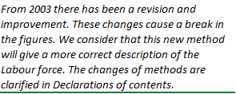

Unemployment Data
AAR | https://www.statbank.dk/AAR | "Original" Unit: Number, by Region |  |  |  |  | New Revenues | Corresponding Name in Data Set | "Original" Unit: kWh, by Region
Sex | Corresponding Name in Data Set | Calculation |  |  |  |  |  | New_Rev
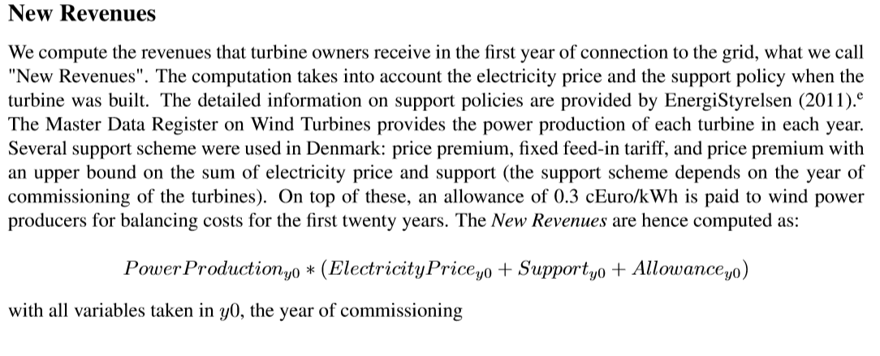
Total | Unemplymnt
 | UnemplyRate | Unemployment/(Unemployment + Emp_Tot)

Population Data
BEF1A | https://www.statbank.dk/BEF1A |  | "Original" Unit: Number, by Region
Sex | Age | Marital Status | Corresponding Name in Data Set
Total | Total | Total | Population

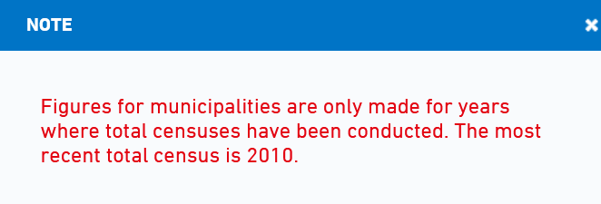
Agricultural Surface Data
BDF5 | https://www.statbank.dk/BDF5 | "Original" Unit: -, by Region
Selected Farms, Crops and Livestock |  | Corresponding Name in Data Set
Total Agricultural Area (ha) |  | AgrSurface

BDF1 | https://www.statbank.dk/BDF1 | "Original" Unit: -, by County
Type | Age | Corresponding Name in Data Set |  |  |  |  | Average Wind Density | Corresponding Name in Data Set | https://globalwindatlas.info/
Total agricultural Area (ha) | Total | AgrSurface |  |  |  |  |  | AVG_WindDensity
 |  |  |  |  |  |  | We import this file into QGIS and select the same coordinate system (KBS) for the TIFF-Data and ourmunicipal shape files. We finally use the tool "zonal statistics" and compute the average wind density for each municipality.The result of this process is saved in the sheet "WindPowerDensity".

